-
Danilo Damiani Shoes
Leather

 |  |  |  |  |  |  |  |  |  |  | 1104
PICTURE | CART N. | ARTICLE | DESCRIPTION |  | 40 | 41 | 42 | 43 | 44 | 45 | TOT
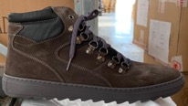 | 1 | DANILO DAMIANI 2024 | HIKING BOOT GRIGIO |  | 1 | 1 | 2 | 4 | 3 | 1 | 12
 | 2 | DANILO DAMIANI 2024 | HIKING BOOT GRIGIO |  | 1 | 1 | 2 | 4 | 3 | 1 | 12
 | 3 | DANILO DAMIANI 2024 | HIKING BOOT GRIGIO |  | 1 | 1 | 2 | 4 | 3 | 1 | 12
 | 4 | DANILO DAMIANI 2024 | HIKING BOOT GRIGIO |  | 1 | 1 | 2 | 4 | 3 | 1 | 12
 | 5 | DANILO DAMIANI 2024 | HIKING BOOT GRIGIO |  | 1 | 1 | 2 | 4 | 3 | 1 | 12
 | 6 | DANILO DAMIANI 2024 | HIKING BOOT GRIGIO |  | 1 | 1 | 2 | 4 | 3 | 1 | 12
 | SUB TOT | DANILO DAMIANI 2024 | HIKING BOOT GRIGIO | 0 | 6 | 6 | 12 | 24 | 18 | 6 | 72
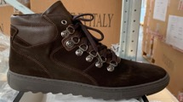 | 7 | DANILO DAMIANI 2024 | HIKING BOOT T.MORO |  | 1 | 1 | 2 | 4 | 3 | 1 | 12
 | 8 | DANILO DAMIANI 2024 | HIKING BOOT T.MORO |  | 1 | 1 | 2 | 4 | 3 | 1 | 12
 | 9 | DANILO DAMIANI 2024 | HIKING BOOT T.MORO |  | 1 | 1 | 2 | 4 | 3 | 1 | 12
 | 10 | DANILO DAMIANI 2024 | HIKING BOOT T.MORO |  | 1 | 1 | 2 | 4 | 3 | 1 | 12
 | 11 | DANILO DAMIANI 2024 | HIKING BOOT T.MORO |  | 1 | 1 | 2 | 4 | 3 | 1 | 12
 | 12 | DANILO DAMIANI 2024 | HIKING BOOT T.MORO |  | 1 | 1 | 2 | 4 | 3 | 1 | 12
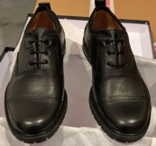
 | SUB TOT | DANILO DAMIANI 2024 | HIKING BOOT T.MORO | 0 | 6 | 6 | 12 | 24 | 18 | 6 | 72
 | 13 | DANILO DAMIANI 1912 | CASUAL PEPPLED LEATHER SHOE BLK |  | 1 | 1 | 2 | 4 | 3 | 1 | 12
 | 14 | DANILO DAMIANI 1912 | CASUAL PEPPLED LEATHER SHOE BLK |  | 1 | 1 | 2 | 4 | 3 | 1 | 12
 | 15 | DANILO DAMIANI 1912 | CASUAL PEPPLED LEATHER SHOE BLK |  | 1 | 1 | 2 | 4 | 3 | 1 | 12
 | 16 | DANILO DAMIANI 1912 | CASUAL PEPPLED LEATHER SHOE BLK |  | 1 | 1 | 2 | 4 | 3 | 1 | 12
 | 17 | DANILO DAMIANI 1912 | CASUAL PEPPLED LEATHER SHOE BLK |  | 1 | 1 | 2 | 4 | 3 | 1 | 12
 | 18 | DANILO DAMIANI 1912 | CASUAL PEPPLED LEATHER SHOE BLK |  | 1 | 1 | 2 | 4 | 3 | 1 | 12
 | 19 | DANILO DAMIANI 1912 | CASUAL PEPPLED LEATHER SHOE BLK |  | 1 | 1 | 2 | 4 | 3 | 1 | 12
 | 20 | DANILO DAMIANI 1912 | CASUAL PEPPLED LEATHER SHOE BLK |  | 1 | 1 | 2 | 4 | 3 | 1 | 12
 | SUB TOT | DANILO DAMIANI 1912 | CASUAL PEPPLED LEATHER SHOE BLK |  | 8 | 8 | 16 | 32 | 24 | 8 | 96
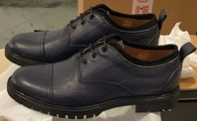
 | 21 | DANILO DAMIANI 1912 | CASUAL PEPPLED LEATHER SHOE NAVY |  | 1 | 1 | 2 | 4 | 3 | 1 | 12
 | 22 | DANILO DAMIANI 1912 | CASUAL PEPPLED LEATHER SHOE NAVY |  | 1 | 1 | 2 | 4 | 3 | 1 | 12
 | 23 | DANILO DAMIANI 1912 | CASUAL PEPPLED LEATHER SHOE NAVY |  | 1 | 1 | 2 | 4 | 3 | 1 | 12
 | 24 | DANILO DAMIANI 1912 | CASUAL PEPPLED LEATHER SHOE NAVY |  | 1 | 1 | 2 | 4 | 3 | 1 | 12
 | 25 | DANILO DAMIANI 1912 | CASUAL PEPPLED LEATHER SHOE NAVY |  | 1 | 1 | 2 | 4 | 3 | 1 | 12
 | 26 | DANILO DAMIANI 1912 | CASUAL PEPPLED LEATHER SHOE NAVY |  | 1 | 1 | 2 | 4 | 3 | 1 | 12
 | SUB TOT | DANILO DAMIANI 1912 | CASUAL PEPPLED LEATHER SHOE NAVY |  | 6 | 6 | 12 | 24 | 18 | 6 | 72
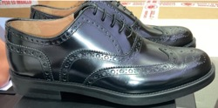 | 27 | DANILO DAMIANI 804 | WING-TIPPED SHOE BLACK |  | 1 | 1 | 2 | 4 | 3 | 1 | 12
 | 28 | DANILO DAMIANI 804 | WING-TIPPED SHOE BLACK |  | 1 | 1 | 2 | 4 | 3 | 1 | 12
 | 29 | DANILO DAMIANI 804 | WING-TIPPED SHOE BLACK |  | 1 | 1 | 2 | 4 | 3 | 1 | 12
 | 30 | DANILO DAMIANI 804 | WING-TIPPED SHOE BLACK |  | 1 | 1 | 2 | 4 | 3 | 1 | 12
 | 31 | DANILO DAMIANI 804 | WING-TIPPED SHOE BLACK |  | 1 | 1 | 2 | 4 | 3 | 1 | 12
 | 32 | DANILO DAMIANI 804 | WING-TIPPED SHOE BLACK |  | 1 | 1 | 2 | 4 | 3 | 1 | 12
 | 33 | DANILO DAMIANI 804 | WING-TIPPED SHOE BLACK |  | 1 | 1 | 2 | 4 | 3 | 1 | 12
 | 34 | DANILO DAMIANI 804 | WING-TIPPED SHOE BLACK |  | 1 | 1 | 2 | 4 | 3 | 1 | 12
 | SUB TOT | DANILO DAMIANI 804 | WING-TIPPED SHOE BLACK |  | 8 | 8 | 16 | 32 | 24 | 8 | 96
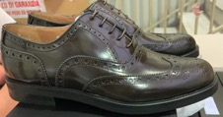 | 35 | DANILO DAMIANI 804 | WING-TIPPED SHOE CASTAGNO |  | 1 | 1 | 2 | 4 | 3 | 1 | 12
 | 36 | DANILO DAMIANI 804 | WING-TIPPED SHOE CASTAGNO |  | 1 | 1 | 2 | 4 | 3 | 1 | 12
 | 37 | DANILO DAMIANI 804 | WING-TIPPED SHOE CASTAGNO |  | 1 | 1 | 2 | 4 | 3 | 1 | 12
 | 38 | DANILO DAMIANI 804 | WING-TIPPED SHOE CASTAGNO |  | 1 | 1 | 2 | 4 | 3 | 1 | 12
 | 39 | DANILO DAMIANI 804 | WING-TIPPED SHOE CASTAGNO |  | 1 | 1 | 2 | 4 | 3 | 1 | 12
 | 40 | DANILO DAMIANI 804 | WING-TIPPED SHOE CASTAGNO |  | 1 | 1 | 2 | 4 | 3 | 1 | 12
 | SUB TOT | DANILO DAMIANI 804 | WING-TIPPED SHOE CASTAGNO |  | 6 | 6 | 12 | 24 | 18 | 6 | 72
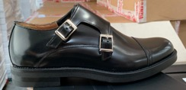
 | 41 | DANILO DAMIANI 671 | DOUBLE MONK STRAP SHOE BLACK |  | 1 | 1 | 2 | 4 | 3 | 1 | 12
 | 42 | DANILO DAMIANI 671 | DOUBLE MONK STRAP SHOE BLACK |  | 1 | 1 | 2 | 4 | 3 | 1 | 12
 | 43 | DANILO DAMIANI 671 | DOUBLE MONK STRAP SHOE BLACK |  | 1 | 1 | 2 | 4 | 3 | 1 | 12
 | 44 | DANILO DAMIANI 671 | DOUBLE MONK STRAP SHOE BLACK |  | 1 | 1 | 2 | 4 | 3 | 1 | 12
 | 45 | DANILO DAMIANI 671 | DOUBLE MONK STRAP SHOE BLACK |  | 1 | 1 | 2 | 4 | 3 | 1 | 12
 | 46 | DANILO DAMIANI 671 | DOUBLE MONK STRAP SHOE BLACK |  | 1 | 1 | 2 | 4 | 3 | 1 | 12
 | SUB TOT | DANILO DAMIANI 671 | DOUBLE MONK STRAP SHOE BLACK |  | 6 | 6 | 12 | 24 | 18 | 6 | 72
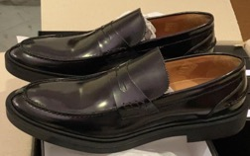 | 47 | DANILO DAMIANI R1 | PENNY LOAFER BLACK |  | 1 | 1 | 2 | 4 | 3 | 1 | 12
 | 48 | DANILO DAMIANI R1 | PENNY LOAFER BLACK |  | 1 | 1 | 2 | 4 | 3 | 1 | 12
 | 49 | DANILO DAMIANI R1 | PENNY LOAFER BLACK |  | 1 | 1 | 2 | 4 | 3 | 1 | 12
 | 50 | DANILO DAMIANI R1 | PENNY LOAFER BLACK |  | 1 | 1 | 2 | 4 | 3 | 1 | 12
 | 51 | DANILO DAMIANI R1 | PENNY LOAFER BLACK |  | 1 | 1 | 2 | 4 | 3 | 1 | 12
 | 52 | DANILO DAMIANI R1 | PENNY LOAFER BLACK |  | 1 | 1 | 2 | 4 | 3 | 1 | 12
 | 53 | DANILO DAMIANI R1 | PENNY LOAFER BLACK |  | 1 | 1 | 2 | 4 | 3 | 1 | 12
 | 54 | DANILO DAMIANI R1 | PENNY LOAFER BLACK |  | 1 | 1 | 2 | 4 | 3 | 1 | 12
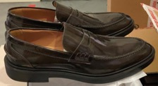
 | SUB TOT | DANILO DAMIANI R1 | PENNY LOAFER BLACK |  | 8 | 8 | 16 | 32 | 24 | 8 | 96
 | 55 | DANILO DAMIANI R1 | PENNY LOAFER CASTAGNO |  | 1 | 1 | 2 | 4 | 3 | 1 | 12
 | 56 | DANILO DAMIANI R1 | PENNY LOAFER CASTAGNO |  | 1 | 1 | 2 | 4 | 3 | 1 | 12
 | 57 | DANILO DAMIANI R1 | PENNY LOAFER CASTAGNO |  | 1 | 1 | 2 | 4 | 3 | 1 | 12
 | 58 | DANILO DAMIANI R1 | PENNY LOAFER CASTAGNO |  | 1 | 1 | 2 | 4 | 3 | 1 | 12
 | 59 | DANILO DAMIANI R1 | PENNY LOAFER CASTAGNO |  | 1 | 1 | 2 | 4 | 3 | 1 | 12
 | 60 | DANILO DAMIANI R1 | PENNY LOAFER CASTAGNO |  | 1 | 1 | 2 | 4 | 3 | 1 | 12
 | SUB TOT | DANILO DAMIANI R1 | PENNY LOAFER CASTAGNO |  | 6 | 6 | 12 | 24 | 18 | 6 | 72
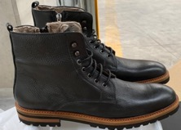 | 61 | DANILO DAMIANI NS BOOT | COMBAT WITH"BERA LINING BLACK |  | 1 | 1 | 2 | 4 | 3 | 1 | 12
 | 62 | DANILO DAMIANI NS BOOT | COMBAT WITH"BERA LINING BLACK |  | 1 | 1 | 2 | 4 | 3 | 1 | 12
 | 63 | DANILO DAMIANI NS BOOT | COMBAT WITH"BERA LINING BLACK |  | 1 | 1 | 2 | 4 | 3 | 1 | 12
 | 64 | DANILO DAMIANI NS BOOT | COMBAT WITH"BERA LINING BLACK |  | 1 | 1 | 2 | 4 | 3 | 1 | 12
 | 65 | DANILO DAMIANI NS BOOT | COMBAT WITH"BERA LINING BLACK |  | 1 | 1 | 2 | 4 | 3 | 1 | 12
 | 66 | DANILO DAMIANI NS BOOT | COMBAT WITH"BERA LINING BLACK |  | 1 | 1 | 2 | 4 | 3 | 1 | 12
 | 67 | DANILO DAMIANI NS BOOT | COMBAT WITH"BERA LINING BLACK |  | 1 | 1 | 2 | 4 | 3 | 1 | 12
 | 68 | DANILO DAMIANI NS BOOT | COMBAT WITH"BERA LINING BLACK |  | 1 | 1 | 2 | 4 | 3 | 1 | 12
 | SUB TOT | DANILO DAMIANI NS BOOT | COMBAT WITH"BERA LINING BLACK | 0 | 8 | 8 | 16 | 32 | 24 | 8 | 96
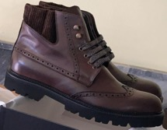
 | 69 | DANILO DAMIANI 3002 | WING-TIPPED BOOT WITH CHUNKY HEEL CAFE |  | 1 | 1 | 2 | 4 | 3 | 1 | 12
 | 70 | DANILO DAMIANI 3002 | WING-TIPPED BOOT WITH CHUNKY HEEL CAFE |  | 1 | 1 | 2 | 4 | 3 | 1 | 12
 | 71 | DANILO DAMIANI 3002 | WING-TIPPED BOOT WITH CHUNKY HEEL CAFE |  | 1 | 1 | 2 | 4 | 3 | 1 | 12
 | 72 | DANILO DAMIANI 3002 | WING-TIPPED BOOT WITH CHUNKY HEEL CAFE |  | 1 | 1 | 2 | 4 | 3 | 1 | 12
 | 73 | DANILO DAMIANI 3002 | WING-TIPPED BOOT WITH CHUNKY HEEL CAFE |  | 1 | 1 | 2 | 4 | 3 | 1 | 12
 | 74 | DANILO DAMIANI 3002 | WING-TIPPED BOOT WITH CHUNKY HEEL CAFE |  | 1 | 1 | 2 | 4 | 3 | 1 | 12
 | 75 | DANILO DAMIANI 3002 | WING-TIPPED BOOT WITH CHUNKY HEEL CAFE |  | 1 | 1 | 2 | 4 | 3 | 1 | 12
 | 76 | DANILO DAMIANI 3002 | WING-TIPPED BOOT WITH CHUNKY HEEL CAFE |  | 1 | 1 | 2 | 4 | 3 | 1 | 12
 | SUB TOT | DANILO DAMIANI 3002 | WING-TIPPED BOOT WITH CHUNKY HEEL CAFE | 0 | 8 | 8 | 16 | 32 | 24 | 8 | 96
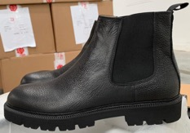
 | 77 | DANILO DAMIANI NS CHELSEA | CHELSEA BOOT WITH CHUNKY HEEL BLACK |  | 1 | 1 | 2 | 4 | 3 | 1 | 12
 | 78 | DANILO DAMIANI NS CHELSEA | CHELSEA BOOT WITH CHUNKY HEEL BLACK |  | 1 | 1 | 2 | 4 | 3 | 1 | 12
 | 79 | DANILO DAMIANI NS CHELSEA | CHELSEA BOOT WITH CHUNKY HEEL BLACK |  | 1 | 1 | 2 | 4 | 3 | 1 | 12
 | 80 | DANILO DAMIANI NS CHELSEA | CHELSEA BOOT WITH CHUNKY HEEL BLACK |  | 1 | 1 | 2 | 4 | 3 | 1 | 12
 | 81 | DANILO DAMIANI NS CHELSEA | CHELSEA BOOT WITH CHUNKY HEEL BLACK |  | 1 | 1 | 2 | 4 | 3 | 1 | 12
 | 82 | DANILO DAMIANI NS CHELSEA | CHELSEA BOOT WITH CHUNKY HEEL BLACK |  | 1 | 1 | 2 | 4 | 3 | 1 | 12
 | 83 | DANILO DAMIANI NS CHELSEA | CHELSEA BOOT WITH CHUNKY HEEL BLACK |  | 1 | 1 | 2 | 4 | 3 | 1 | 12
 | 84 | DANILO DAMIANI NS CHELSEA | CHELSEA BOOT WITH CHUNKY HEEL BLACK |  | 1 | 1 | 2 | 4 | 3 | 1 | 12
 | SUB TOT | DANILO DAMIANI NS CHELSEA | CHELSEA BOOT WITH CHUNKY HEEL BLACK | 0 | 8 | 8 | 16 | 32 | 24 | 8 | 96
 | CART N. | ARTICOLO | DESCRIZIONE |  | 36 | 37 | 38 | 39 | 40 | 41 | TOT
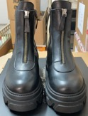
 | 1 | DANILO DAMIANI GDS434 | SHORTZIP BOOT WITH LUG SOLE BLACK |  | 1 | 3 | 4 | 3 | 1 |  | 12
 | 2 | DANILO DAMIANI GDS434 | SHORTZIP BOOT WITH LUG SOLE BLACK |  | 1 | 3 | 4 | 3 | 1 |  | 12
 | 3 | DANILO DAMIANI GDS434 | SHORTZIP BOOT WITH LUG SOLE BLACK |  | 1 | 3 | 4 | 3 | 1 |  | 12
 | 4 | DANILO DAMIANI GDS434 | SHORTZIP BOOT WITH LUG SOLE BLACK |  | 1 | 3 | 4 | 3 | 1 |  | 12
 | 5 | DANILO DAMIANI GDS434 | SHORTZIP BOOT WITH LUG SOLE BLACK |  | 1 | 3 | 4 | 3 | 1 |  | 12
 | 6 | DANILO DAMIANI GDS434 | SHORTZIP BOOT WITH LUG SOLE BLACK |  | 1 | 3 | 4 | 3 | 1 |  | 12
 | 7 | DANILO DAMIANI GDS434 | SHORTZIP BOOT WITH LUG SOLE BLACK |  | 1 | 3 | 4 | 3 | 1 |  | 12
 | 8 | DANILO DAMIANI GDS434 | SHORTZIP BOOT WITH LUG SOLE BLACK |  | 1 | 3 | 4 | 3 | 1 |  | 12
 | SUB TOT | DANILO DAMIANI GDS434 | SHORTZIP BOOT WITH LUG SOLE BLACK |  | 8 | 24 | 32 | 24 | 8 | 0 | 96

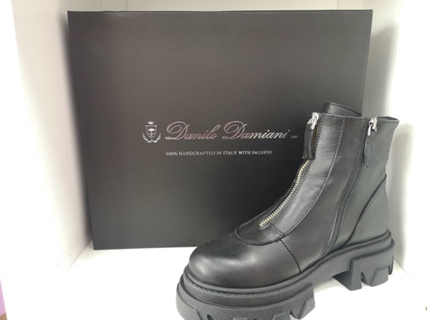
Photo Box:

